EU IPT Rates
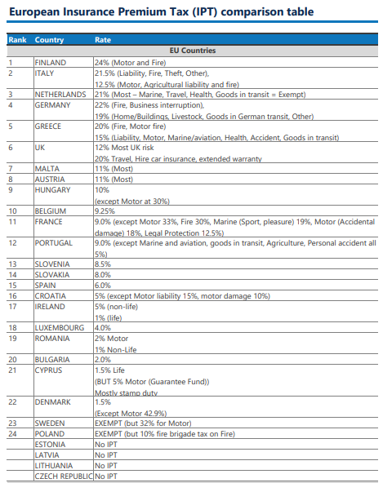
Member State | Country code | IPT rate | Gross Value Added: ISIC 64T66 (Million EUR) | https://www.abi.org.uk/globalassets/sitecore/files/documents/publications/public/2016/keyfacts/euipt.pdf
Austria | AT | 11% | 14,953
Belgium | BE | 9% | 27,216
Bulgaria | BG | 2% | 3,080
Croatia | HR | 5% | 2,461
Cyprus | CY | 2% | 1,524
Czechia | CZ | 0% | 8,286
Denmark | DK | 2% | 14,804
Estonia | EE | 0% | 1,127
Finland | FI | 24% | 6,017
France | FR | 9% | 83,196
Germany | DE | 19% | 121,899
Greece | EL | 15% | 8,124
Hungary | HU | 10% | 4,540
Ireland | IE | 5% | 17,325
Italy | IT | 21% | 78,597
Latvia | LV | 0% | 814
Lithuania | LT | 0% | 1,028
Luxembourg | LU | 4% | 14,167
Malta | MT | 11% | 1,077
Netherlands | NL | 21% | 47,514
Poland | PL | 0% | 20,130
Portugal | PT | 9% | 9,109
Romania | RO | 1% | 5,157
Slovakia | SK | 8% | 2,385
Slovenia | SI | 9% | 1,606 | compared with current data from EU taxation site:
Spain | ES | 8% | 44,003 | https://ec.europa.eu/taxation_customs/tedb/splSearchForm.html
Sweden | SE | 0% | 16,302

